Dimension_Health_Chart
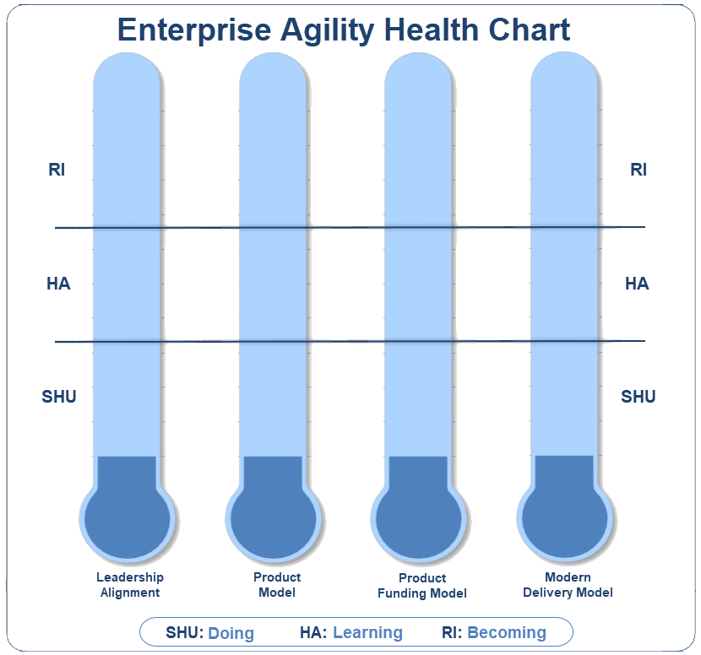
Dimension | Score
Leadership Alignment | 74%
Product Model | 28%
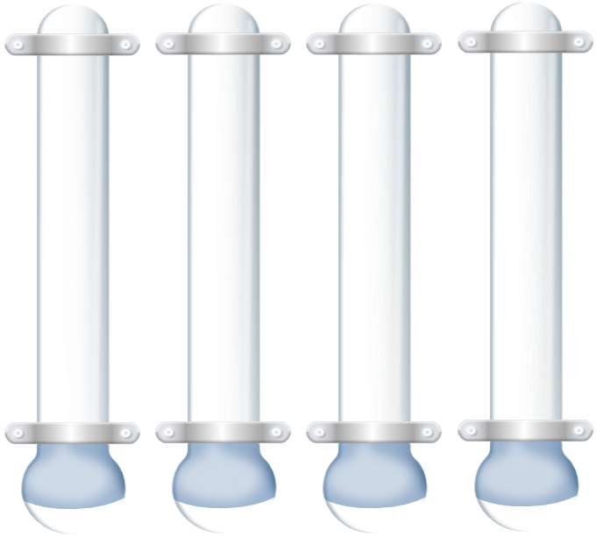
Product Funding Model | 38%
Modern Delivery Model | 60%

Sub_Dimension_Health_Chart
Leadership Alignment Sub-Dimensions
Executive Leadership Support for Enterprise Agility | 9
Agile Mindset and UHG Culure | 5
Vision and Goals | 9
Purpose Driven Communicatins | 7
Information shared broadly and deeply | 8
Cross-Organizational Collaboration | 6
Sticky Cross-Functional Teams | 9
Reward Teamwork over individuals | 5
Human Capital Engagement | 9
Product Model Sub-Dimensions
Product Model Definition | 6
Teams Aligned to Product | 1
Alignment of Product, Ops & Tech | 3
Priorities set by People Closest to the Customer | 1
Utilize Existing Capabilities | 5
Empowered Teams | 3
Focus on End User Experience | 1
Innovation and speed to market is expected | 2

Product Funding Model Sub-Dimensions
Visibility and Transparency | 3
Ability to Quickly Pivot | 4
Return on Investment | 2
Long Term Sticky Teams | 6
Lightweight Funding Process | 5
Fund Innovations & Quick Learnings | 3
Delivery Model Sub-Dimensions
Decision making is pushed downward | 9
Flat Reporting Structure | 8
Shared Technology | 7
Knowledge Growth | 4
DevOps | 8
Simplificaton & Scalability | 3
Funding Allows Team Flexibility | 7
Lightweight Process & Documentation | 3
Lean Enterprise | 5

